From Fusion 360
Item # | Thumbnail | Part Name | Part Number | Description | Make/Buy | Quantity | Vendor | Vendor Desc | Vendor P/N | Vendor URL | Vendor Price | Vendor Lot Size | Vendor Stock
 | 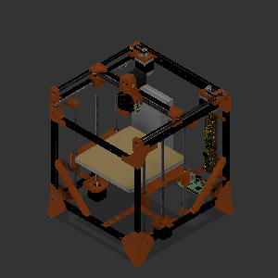 | MPS CoreXY | MPS CoreXY |  |  | 1
1 | 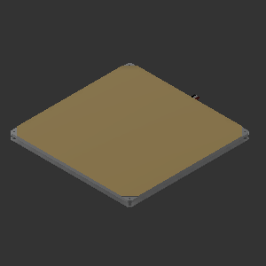 | HotBed | HotBed |  |  | 1
2 |  | 15mm Rev Extrusion 340mm Z | 15mm Rev Extrusion 340mm Z |  |  | 4
3 |  | 15mm Rev Extrusion 310mm X | 15mm Rev Extrusion 310mm X |  |  | 5
4 |  | 15mm Rev Extrusion 330mm Y | 15mm Rev Extrusion 330mm Y |  |  | 4
5 | 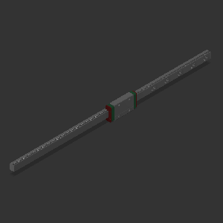 | MGN9H 300mm Y | MGN9H 300mm Y |  |  | 2
6 |  | Joint | Joint |  |  | 1
7 | 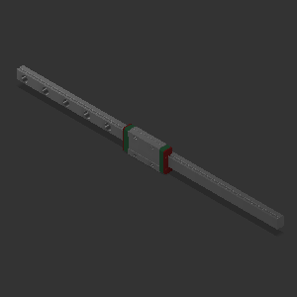 | MGN9H 250mm X | MGN9H 250mm X |  |  | 1
8 |  | Z Axis 8mm Linear Rod | Z Axis 8mm Linear Rod |  |  | 4
9 | 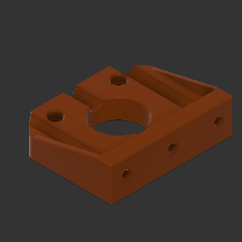 | Stepper Mount Z | Stepper Mount Z |  |  | 2
10 | 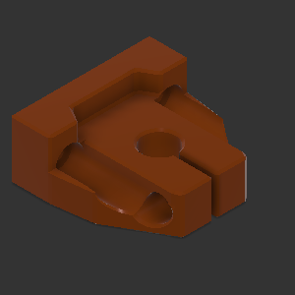 | Bottom Smooth Rod Mount Z | Bottom Smooth Rod Mount Z |  |  | 4
11 | 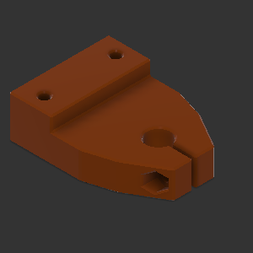 | Top Smooth Rod Mount Z | Top Smooth Rod Mount Z |  |  | 4
12 | 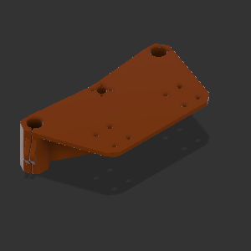 | Bed Mount | Bed Mount |  |  | 2
13 | 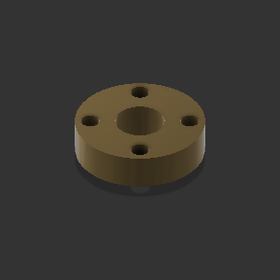 | Brass Nut | Brass Nut |  |  | 2
14 | 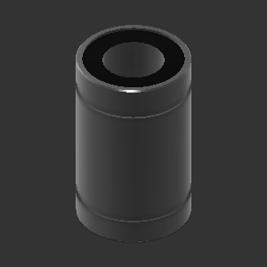 | LM8UU | LM8UU |  |  | 8
15 | 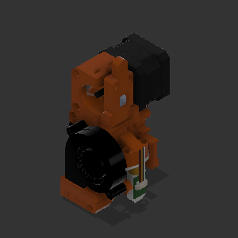 | i3_mk2 extruder | i3_mk2 extruder |  |  | 1
16 | 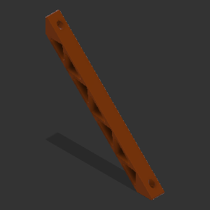 | Corner Brace | Corner Brace |  |  | 8
17 | 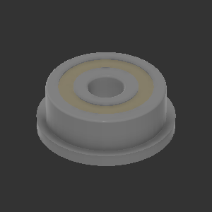 | F623ZZ Flange Bearing | F623ZZ Flange Bearing |  |  | 24
18 | 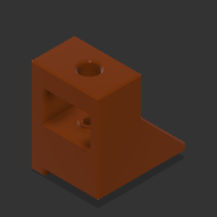 | Front Right Bearing Mount | Front Right Bearing Mount |  |  | 1
19 | 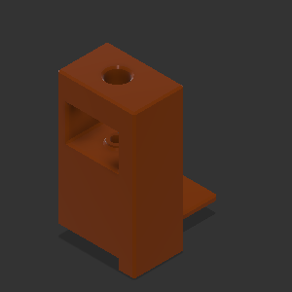 | Front Left Bearing Mount | Front Left Bearing Mount |  |  | 1
20 | 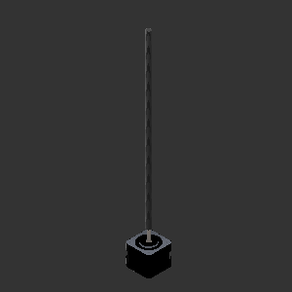 | Nema 17 34mm Lead Screw | Nema 17 34mm Lead Screw |  |  | 2
21 | 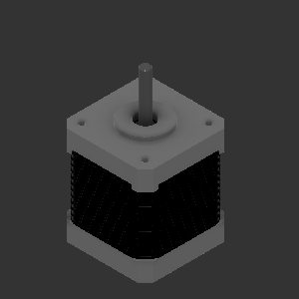 | Nema 17 48mm | Nema 17 48mm |  |  | 2
22 | 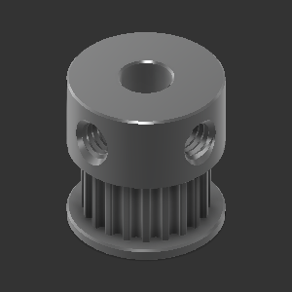 | GT2 20T5B_dz2020 | GT2 20T5B_dz2020 |  |  | 2
23 |  | Belts 4M needed | Belts 4M needed |  |  | 2
24 | 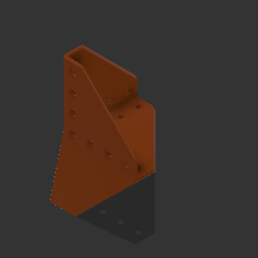 | Corner Gusset With Feet | Corner Gusset With Feet |  |  | 4
25 | 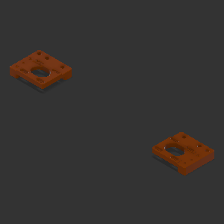 | Stepper Motor Mount Mirror | Stepper Motor Mount Mirror |  |  | 1
26 | 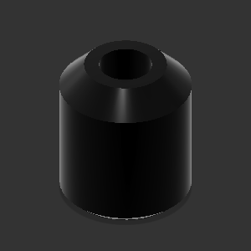 | Tall Bearing Spacer | Tall Bearing Spacer |  |  | 6
27 | 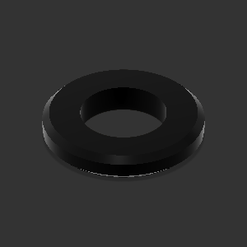 | Short Bearing Spacer | Short Bearing Spacer |  |  | 2
28 | 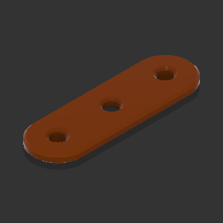 | Stepper Motor Bearing Brace | Stepper Motor Bearing Brace |  |  | 2
29 | 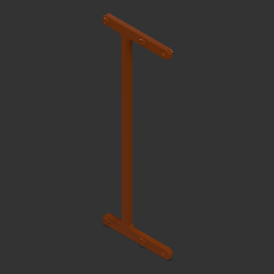 | Melzi Bracket | Melzi Bracket |  |  | 1
30 |  | Corner Gusset | Corner Gusset |  |  | 2
31 | 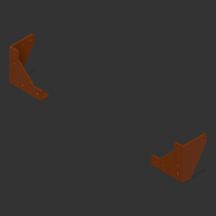 | Front Corner Gusset | Front Corner Gusset |  |  | 1
32 | 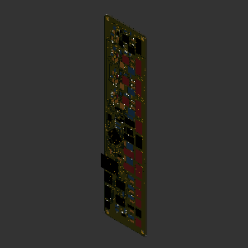 | melzi | melzi |  |  | 1
33 | 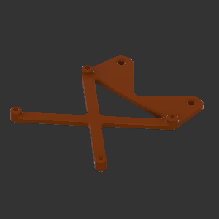 | Raspberry Pi Mount | Raspberry Pi Mount |  |  | 1
34 | 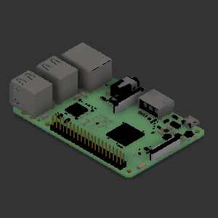 | Raspberry Pi 3B | Raspberry Pi 3B |  |  | 1
35 |  | Power Supply | Power Supply |  |  | 1
36 | 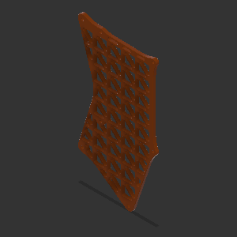 | Power Supply Mount | Power Supply Mount |  |  | 1
37 | 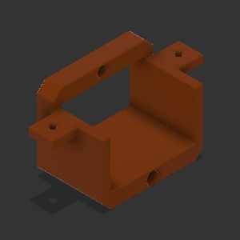 | Plug Mount | Plug Mount |  |  | 1
38 | 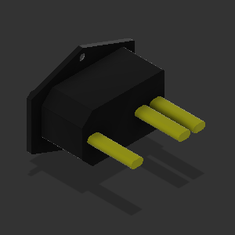 | Plug | Plug |  |  | 1
39 | 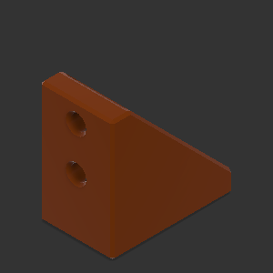 | Corner Bracket | Corner Bracket |  |  | 19

